Sheet1
 |  | Document No. | Issue No. |  | Issue Date |  | Review and Replace Date |  | Authorised By
 |  | GFF067MC | 4 |  | 22.01.2018 |  | 06.07.2023 |  | Magda Shah
 |  | Document Title | SEEDED VEGETABLE SAMOSA 100G
Document amendments reason for change |  | Packaging and Label art work changed |  | Page 1 of 1 |  | Previous Issue Date |  | 03.05.2022 | Uncontrolled copy unless signed original

CVSAL1-1G1TDG | DELI BY SHELL |  | SEEDED VEGETABLE SAMOSA 100G | CHILLED

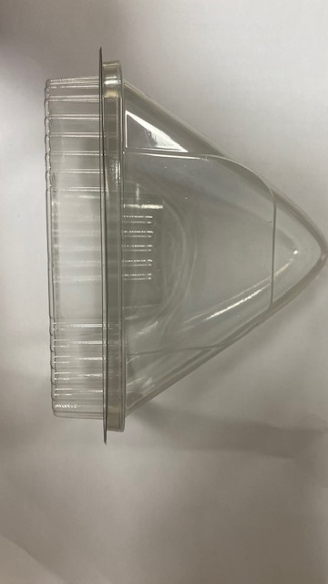 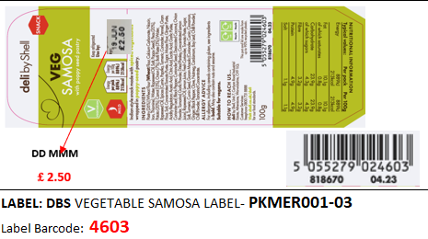 |  |  |  |  |  | 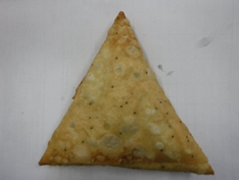

DBS- Lid for Samosa-(LW3122)- (PKLEE001-11) |  |  |  |  |  | SEEDED VEGETABLE SAMOSA (GFF239R)
DBS- Clear Base for Samosa- (LW3123) -PKLEE001-12 ) |  |  |  |  |  | Weight : 100g
ALLERGY ALERT: WHEAT

